Sheet1
 | Document No. |  | Issue No. | Issue Date |  | Review and Replace Date |  | Authorised By
 | GFF086MC |  | 2 | 11.02.2019 |  | 11.09.2020
 | Document Title |  | Take Away Indian For Two (Meal Box for 2) - 1200g
 |  |  |  |  |  |  |  | Magda Shah
Document amendments reason for change | Black tray changed to Evolve tray |  | Page 1 of 1 |  | Previous Issue Date |  | 11.02.2019 | Uncontrolled copy unless signed original

CINDML5-R2TEB |  | BOOTHS | Take Away Indian For Two (Meal Box for 2) - 1200g | CHILLED
STEP 1 |  |  | STEP 2 |  |  |  | STEP 3
Tray: EVOLVE CPET 2200-1E (PKRHP001-08) |  |  | Tray: EVOLVE CPET 2200-1E (PKRHP001-08) |  |  |  | Tray: EVOLVE CPET 2200-1D (PKRHP001-09)
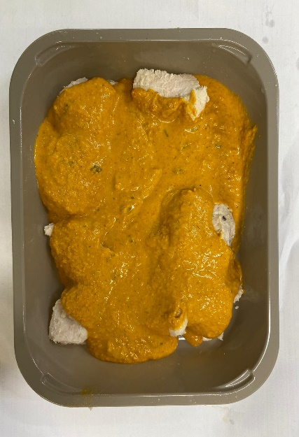 |  |  | 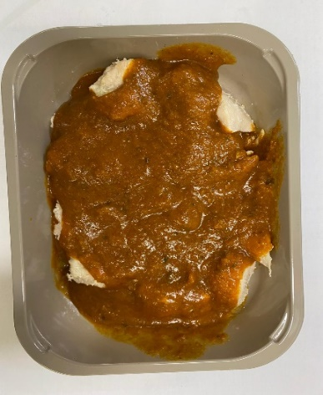 |  |  |  | 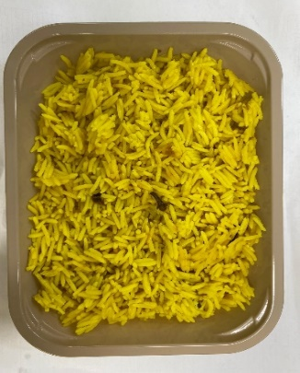

CHICKEN TIKKA 300g
CHICKEN MADRAS 300g
PILAU RICE 300g

British Diced Chicken (Marinated) (GFF164R): 96g (10-11 pcs) |  |  | British Diced Chicken (Marinated) (GFF164R): 96g |  |  |  | Pilau Rice (GFF143R): 300g
Tikka Masala Sauce (GFF141R): 204g |  |  | Madras Sauce (GFF127R): 204g
LINE 1: Mylar 250LAF 250mm x 1000 (PKWRA001-08) LINE 1: K-Peel 75G + AF 25 250mm (PKKMP001-01) LINE 2: Mylar 25OLAF (PKWRA001-02)
STEP 3 |  |  |  |  | STEP 4
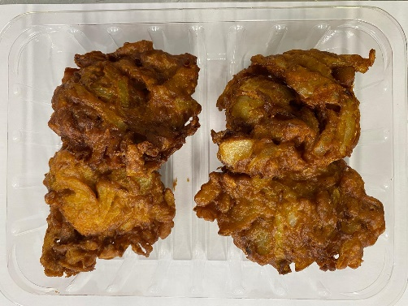 |  |  | 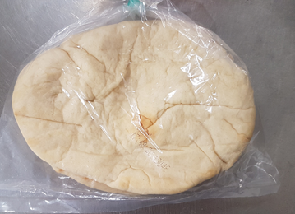 |  |  |  | 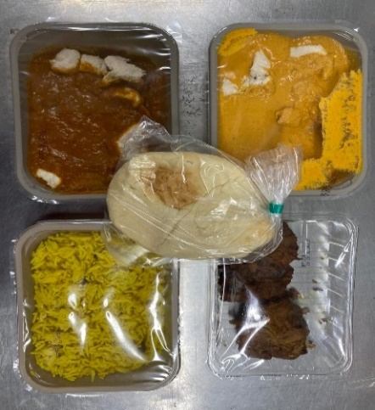
2 MINI NAAN BREAD 140g

4 ONION BHAJI 160g

4 x Onion Bhaji (GFF121R) 40g: 160g |  |  | 2 Mini Naan Bread (RMSOU0011-03) : 140g |  |  |  | Total Weight: 1200g
Packaging: SK4 Plain (PKREY001-02) + ME410AFV2 (PKPRO001-12) |  |  | (from Sounas Ltd)
TOTAL WEIGHT: 1200g

ALLERGY ALERT: BARLEY, MILK, MUSTARD , NUTS, WHEAT

